Saving Rule
RULE |  | Lead and Profile Graph Check Rule (Shaving Data Judgement) |  |  |  |  |  |  |  | ISD-QA-022 | DATE :12.08.14
 |  |  |  |  |  |  |  |  |  |  | Issue 01 | Rev. 00

Tooth Profile SV Data (Before HT) Judgement Standard
※ SV Tooth Profile Data Judgement

○ = Within SV Specs △ = SV Specs over 1μm × = SV Specs over 1μm above

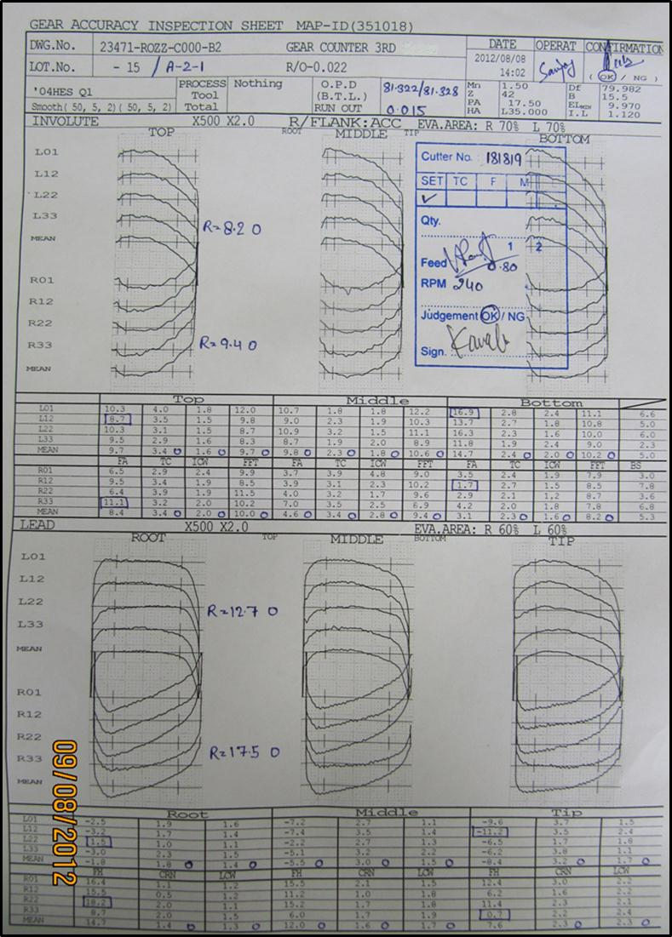
1
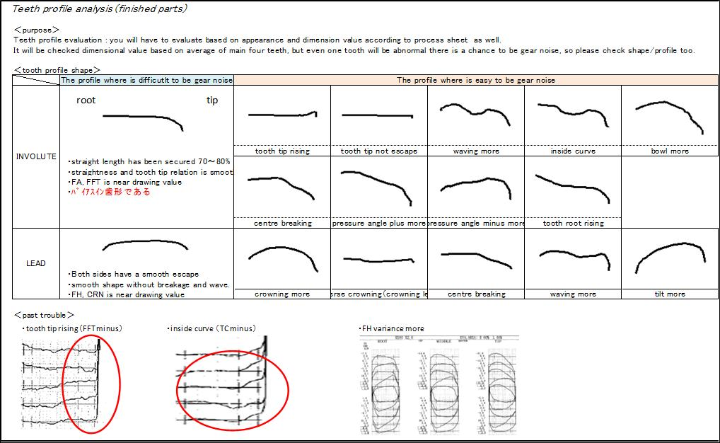
2

Evaluation : o
Evaluation : X
Sno Number & lot no check
Please fill OBD size & Run
out values (Resp: Shift leader)

3
To fill range value
& judge

4

Place judgement of SV tooth profile （○ △ ×）
(Base on Drawing & SV specs)
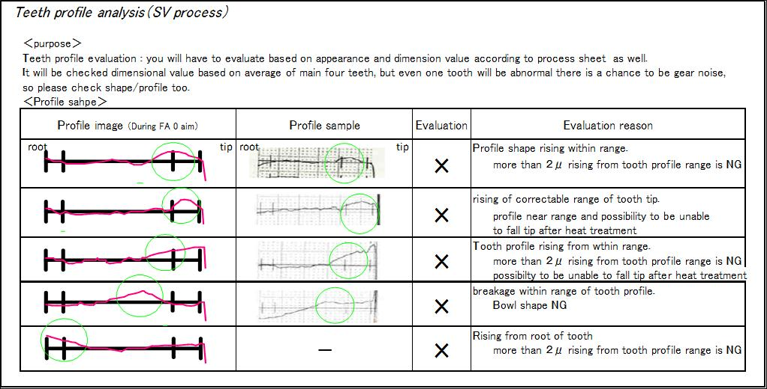

To fill range value
& judge

Place judgement of SV tooth profile （○ △ ×）
(Base on Drawing & SV specs)

 | Shaving :
 | Events:
 | First piece and 11,21,31,41 piece after wards |  |  | SIGN | Responsible Section | Person Incharge |  | Check Point
 | Event:DANKAKU,HINKAKU,RYOUKAKU |  |  | 1st Sign | Lead & Profile machine operator | Varun San |  | Stamp with Ok/NG Judgement, range calculation, circle and triangle marking, Sno/Lot no marking
 |  |  |  | 2nd Sign | Production | Line Leader |  | Confirmation : OK/NG Gudgement, Cutter no, feed, RPM, setting or FML
 | Massproduction is from |  |  | 3rd Sign | Section Head | Vijay San/Jatinder San |  | Verification (OK/NG)
 | As per the frequency given in process sheet |  |  | 4th Sign | Japanese Lead Member | Kawabe San |  | Final Approval (OK/NG)

 |  |  |  |  |  |  | 0 | 12.08.2012 | New Releases
 |  |  |  |  |  |  | Rev.No. | Date | Description

Prepared By |  |  | Checked By |  |  |  | Approved By

